Statistical Analysis
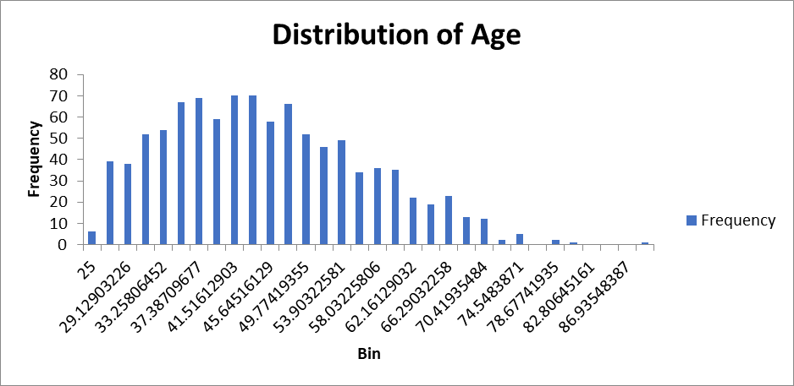
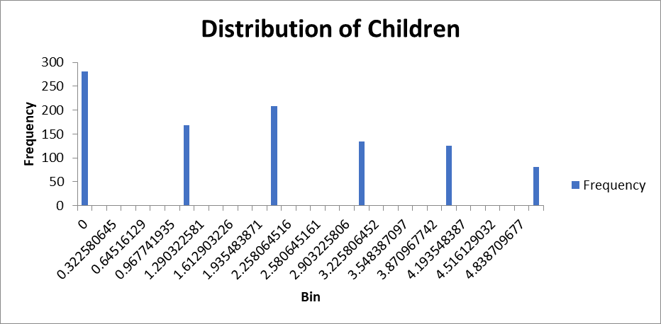
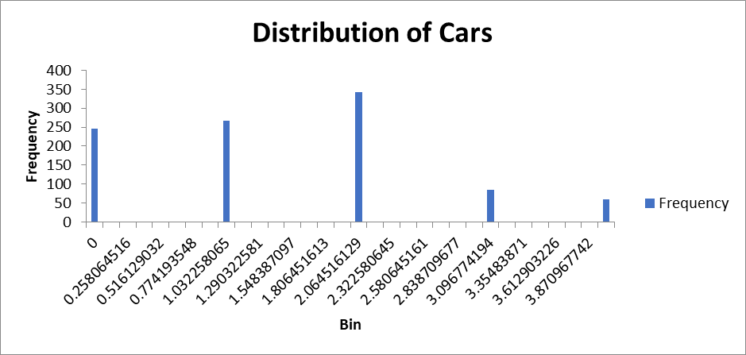
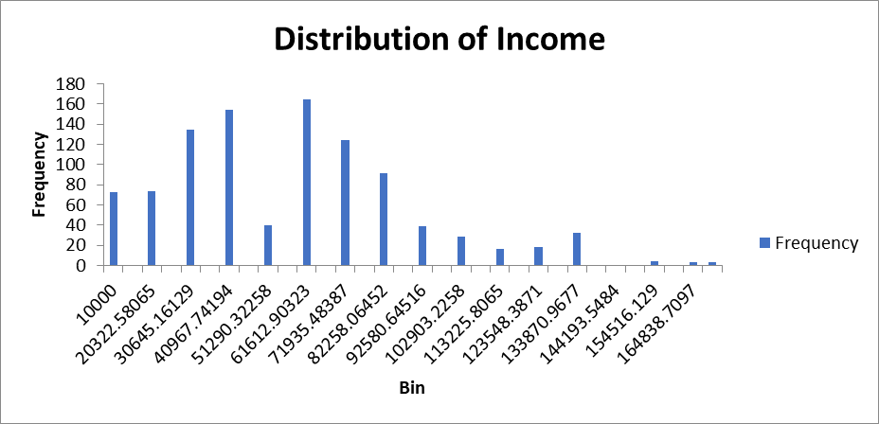
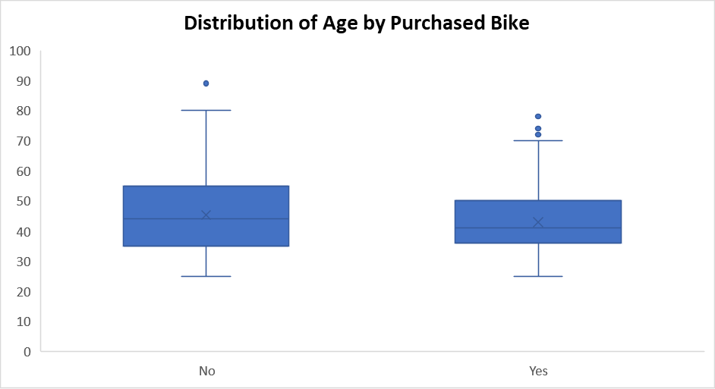
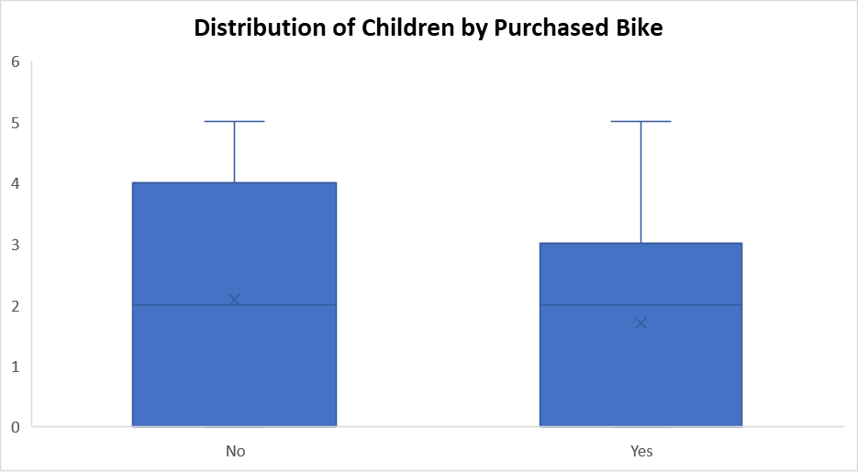
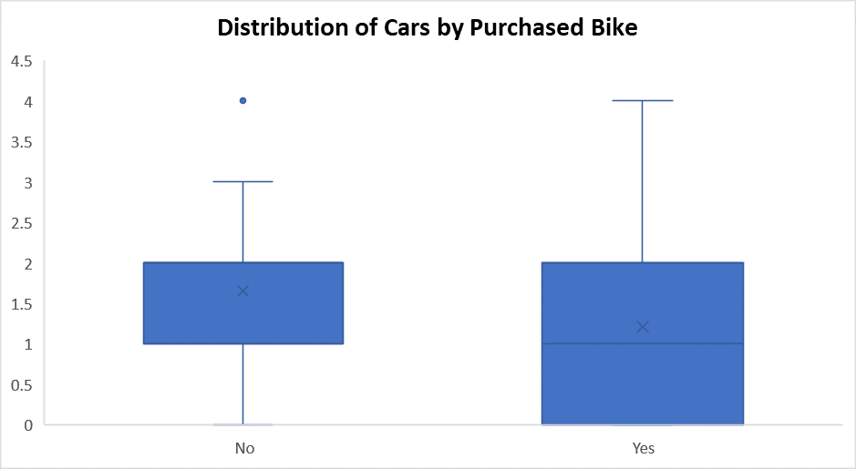
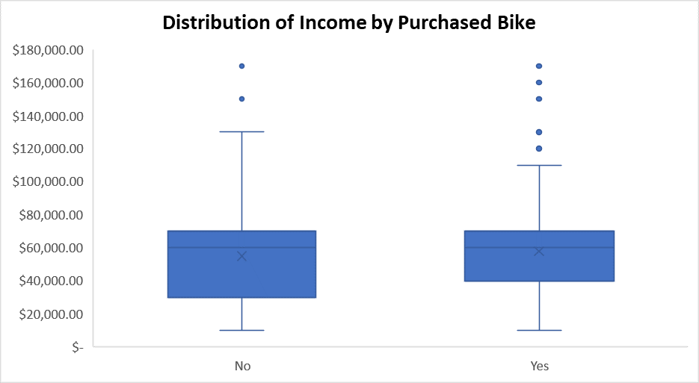
 | Age | Children | Cars | Income | Hypothesis Test
Mean | 44.163 | 1.898 | 1.442 | 56360
Standard Error | 0.35937665837 | 0.051499982993 | 0.0355795152 | 983.01409792 | H0: | Means are equal regardless of whether bike was purchased
Median | 43 | 2 | 1 | 60000 | H1: | Means are not equal
Mode | 40 | 0 | 2 | 60000
Standard Deviation | 11.364487784 | 1.6285724572 | 1.1251230608 | 31085.635215 | z-Test: Two Sample for Means
Sample Variance | 129.15158258 | 2.6522482482 | 1.2659019019 | 966316716.72 |  | AgeY | AgeN | ChildrenY | ChildrenN | CarsY | CarsN | IncomeY | IncomeN
Kurtosis | -0.26664482832 | -1.0171605117 | -0.4085058279 | 0.49964895128 | Mean | 42.842424242 | 45.346516008 | 1.6909090909 | 2.0809792844 | 1.2121212121 | 1.647834275 | 57474.747475 | 55028.248588
Skewness | 0.52004184124 | 0.40029398 | 0.42586687707 | 0.74614237665 | Known Variance | 102.6876702 | 150.362719 | 2.201840265 | 2.99154319 | 1.175561281 | 1.262537754 | 963853106 | 992593540.1
Range | 64 | 5 | 4 | 160000 | Observations | 495 | 531 | 495 | 531 | 495 | 531 | 495 | 531
Minimum | 25 | 0 | 0 | 10000 | Hypothesized Mean Difference | 0 |  | 0 |  | 0 |  | 0
Maximum | 89 | 5 | 4 | 170000 | z | -3.5750172902 |  | -3.8848157101 |  | -6.3203053898 |  | 1.2523166405
Sum | 44163 | 1898 | 1442 | 56360000 | z Critical two-tail | 1.9599639845 |  | 1.9599639845 |  | 1.9599639845 |  | 1.9599639845
Count | 1000 | 1000 | 1000 | 1000
 |  |  |  |  |  | Age |  | Children |  | Cars |  | Income
 | Age | Children | Cars | Income | P(Z<=z) two-tail | 0.0003502047515 | <0.001 | 0.00010240753899 | <0.001 | 2.6104696182E-10 | <0.001 | 0.21045450769 | >0.005
Age | 1 |  |  |  |  | Overwhelming Evidence |  | Overwhelming Evidence |  | Overwhelming Evidence |  | No Evidence
Children | 0.52974323275 | 1 |  |  |  | Reject H0 |  | Reject H0 |  | Reject H0 |  | Fail to Reject H0
Cars | 0.18803959426 | 0.26336018451 | 1 |  | There is overwhelming evidence to suggest that average Age, Number of Children |  |  |  |  |  |  | There is no evidence to suggest
Income | 0.17007673605 | 0.25860262084 | 0.4287005896 | 1 | and Number of Cars differ between those who purchased and did not purchase a bike |  |  |  |  |  |  | that the average income differ

Pivot Tables
Average Income by Gender
Average of Income | Column Labels
Row Labels | No | Yes | Grand Total
Female | 53,440 | 55,774 | 54,581
Male | 56,208 | 60,124 | 58,063
Grand Total | 54,875 | 57,963 | 56,360

Number of Purchased Bikes By Commute Distance

Count of Purchased Bike | Column Labels
Row Labels | No | Yes | Grand Total
0-1 Miles | 166 | 200 | 366
1-2 Miles | 92 | 77 | 169
2-5 Miles | 67 | 95 | 162
5-10 Miles | 116 | 76 | 192
>10 Miles | 78 | 33 | 111
Grand Total | 519 | 481 | 1000

Count of Purchased Bike | Column Labels
Row Labels | No | Yes | Grand Total
Adolescent | 16.96% | 9.77% | 13.50%
Middle Age | 58.00% | 77.96% | 67.60%
Old Age | 25.05% | 12.27% | 18.90%
Grand Total | 100.00% | 100.00% | 100.00%

Dashboard
Bike Sales Dashboard

Number of Purchased Bikes By Commute Distance
 | No | Yes
0-1 Miles | 166 | 200
1-2 Miles | 92 | 77
2-5 Miles | 67 | 95
5-10 Miles | 116 | 76
>10 Miles | 78 | 33

Average Income by Gender
 | No | Yes
Female | 53,440 | 55,774
Male | 56,208 | 60,124
 | No | Yes
Adolescent | 16.96% | 9.77%
Middle Age | 58.00% | 77.96%
Old Age | 25.05% | 12.27%

